Table 4
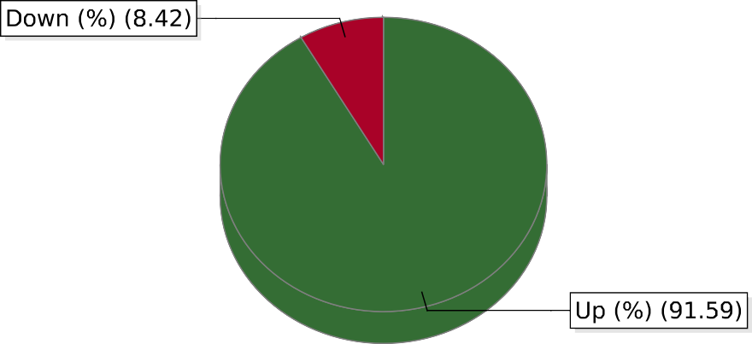
Name : SMAR TPOLE CTRL Time Span: From 15 Nov, 2023 12:00:00 AM To 14 Dec, 2023 11:59:59 PM

